summary ipynb files
/Python Code
File name | input dataset | output dataset | Methodology
AAPL.ipynb | nscoreFeatures.csv |  | linear regression
AAPL_SPY_Volatility.ipynb | nscoredFeaturesCombinationUpdate.csv, nscoredFeaturesCombinationUpdateSPY.csv | summaryAAPL_SPY_Volatility.txt | linear regression
AAPL_update.ipynb | nscoredFeaturesCombinationUpdate.csv | summaryAAPL.txt | linear regression
Combination_function.ipynb | nscoreFeatures.csv, nscoreFeaturesQQQ.csv, nscoreFeaturesSPY.csv | nscoreFeaturesCombinationUpdate.csv,nscoredFeaturesCombinationUpdateQQQ.csv, nscoredFeaturesCombinationUpdateSPY.csv | correlation matrix, consider interactions
DataPreparing_DIFM.ipynb | nscoredFeaturesCombinationUpdateSPY.csv | SPY_LR_IFM.csv
nscoreFeatures_regression.ipynb | nscoredFeatures.csv, sub_LH0_M_same.csv, sub_LH0_ROD_same.csv, sub_LH0_M_diff.csv, sub_LH0_ROD_diff.csv |  | full sample linear regression, same sign LR, different sign LR
nscoreReturns_Regression.ipynb | nscoreReturns.csv |  | correlation matrix, regression
QQQ.ipynb | QQQ.csv, uscoreReturnsQQQ.csv, uscoreFeaturesQQQ.csv, nscoreFeaturesQQQ.csv, nscoreFeaturedsWithCombinationQQQ.csv | QQQ_Returns.csv, nscoreReturnsQQQ.csv, technicalIndicatorQQQ.csv, featuresQQQ.csv, nscoreFeaturesQQQ.csv | full/sub sample linear regression
QQQ_AAPL.ipynb | nscoredFeaturesCombinationUpdateQQQ.csv, nscoredFeaturesCombinationUpdate.csv | summaryQQQ_AAPL.txt | linear regression
QQQ_update.ipynb | nscoredFeaturesCombinationUpdateQQQ.csv | summaryQQQ.txt
Return_Indicator_Concate.ipynb | ReturnsNoNAs.csv, techIndicators.csv,uscoreFeatures.csv | features.csv, nscoreFeatures.csv
ReturnsCalculation.ipynb | AAPL.csv, uscoreReturns.csv | mergedReturns.csv, nscoreReturns.csv
SPY.ipynb | SPY.csv, uscoreReturnsSPY.csv, SPY_Returns.csv, technicalIndicatorSPY.csv, nscoredFeaturesSPY.csv, nscoredFeaturesWithCombinationSPY.csv | SPY_Returns.csv, nscoreReturnsSPY.csv, technicalIndicatorSPY.csv, nscoredFeaturesSPY.csv | full/sub sample linear regression
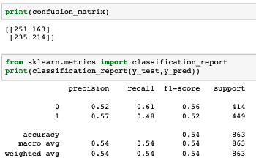
SPY_Features.ipynb | SPY.csv, featuresSPY_LH0.csv, techIndicatorsSPY_ROD.csv, SPY_Returns_LH_LH0_FH_ROD.csv,Features_FH.csv, techIndicatorsSPY_ROD.csv | Returns_LH_LH0_FH_ROD.csv, technicalIndicatorSPY.csv, featuresSPY_LH0.csv,techIndicatorsSPY_ROD.csv, featuresSPY_LH0.csv, techIndicatorsSPY_LH0_Rt_ROD.csv, Features_FH.csv, features_FH_Rt_ROD.csv
SPY_LogisticRegression.ipynb | SPY_LR_IFM.csv

SPY_RV.ipynb | technicalIndicatorSPY.csv,SPY_Returns_LH_LH0_FH_ROD.csv, techIndicatorsSPY_ROD.csv, | featuresSPY_LH0.csv, techIndicatorsSPY_ROD.csv, techIndicatorsSPY_LH0_Rt_ROD.csv, Features_FH.csv, features_FH_Rt_ROD.csv
SPY_update.ipynb | nscoredFeaturesCombinationUpdateSPY.csv | summarySPY.txt
Sub-Sample-Regression.ipynb | nscoredFeaturesWithCombination.csv |  | sub sample regression
TechnicalIndicatorsCalculation.ipynb | AAPL.csv | techIndicators.csv
test_LSTM.ipynb, test_LSTM01.ipynb | RF_final_data_scaled_dropped.csv |  | LSTM, cannot beat random guess
uscoreFunction.R |  |  | calculate uscore features for AAPL, QQQ and SPY

/PythonCode/AAPL
File name | input dataset | output dataset | Methodology
concat_Returns_LH0_ROD.ipynb | Returns_LH_LH0_FH_ROD.csv, Features_LH0.csv,Features_ROD.csv | Features_LH0_ROD_returns.csv
concate_std.ipynb | Returns_LH_LH0_FH_ROD.csv, Features_LH0_std.csv,Features_ROD_std.csv | Features_LH0_ROD_returns_std.csv
Features_LH0.ipynb | AAPL.csv | Features_LH0.csv
Features_LH0_std.ipynb | AAPL.csv | Features_LH0_std.csv
Features_ROD.ipynb | AAPL.csv | Features_ROD.csv
Features_ROD_std.ipynb | AAPL.csv | Features_ROD_std.csv
nscoreFeatures.ipynb | uscoreFeatures.csv | nscoreFeatures.csv
RealizedVolatility.ipynb | AAPL.csv, Features_LH0_ROD_returns_std.csv | allFeatures_std.csv
Returns.ipynb | AAPL.csv | Returns_LH_LH0_FH_ROD.csv
uscoreFeatures.R

/PythonCode/AMZON
File name | input dataset | output dataset | Methodology
concat_Returns_LH0_ROD.ipynb
concate_std.ipynb
Features_LH0.ipynb
Features_LH0_std.ipynb
Features_ROD.ipynb
Features_ROD_std.ipynb
nscoreFeatures.ipynb
RealizedVolatility.ipynb
Returns.ipynb
uscoreFeatures.R

/PythonCode/GOOGLE
File name | input dataset | output dataset | Methodology
concat_Returns_LH0_ROD.ipynb
concate_std.ipynb
Features_LH0.ipynb
Features_LH0_std.ipynb
Features_ROD.ipynb
Features_ROD_std.ipynb
nscoreFeatures.ipynb
RealizedVolatility.ipynb
Returns.ipynb
uscoreFeatures.R

/PythonCode/SPY
File name | input dataset | output dataset | Methodology
concat_std.ipynb | Returns_LH_LH0_FH_ROD.csv, Features_LH0_std.csv,Features_ROD_std.csv | Features_LH0_ROD_returns_std.csv
concate_Returns_LH0_ROD.ipynb | Returns_LH_LH0_FH_ROD.csv, Features_LH0.csv,Features_ROD.csv | Features_LH0_ROD_returns.csv
Features_LH0.ipynb | SPY.csv | Features_LH0.csv
Features_LH0_std.ipynb | SPY.csv | Features_LH0_std.csv
Features_ROD_std.ipynb | SPY.csv | Features_ROD_std.csv
Features_without_interaction.ipynb | SPY/allFeatures.csv, AAPL/allFeatures.csv, AMZN/allFeatures.csv, GOOG/allFeatures.csv | spy_aapl_amzn_goog_allFeatures_no_interaction.csv
last_30_return_creative_way.ipynb | SPY.csv, RF_final_data_scaled_dropped.csv,creative_last_30_return.csv | creative_last_30_return.csv | random forest | 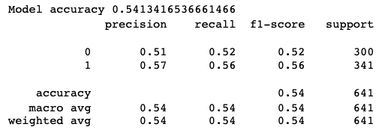 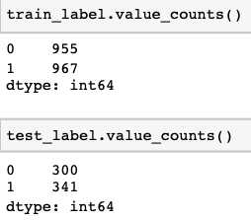

Logistic_raw_avg.ipynb | spy_aapl_amzn_goog_raw_avg.csv | sigFeatures_LR_selection.csv | BackwardEli, logistic regression | 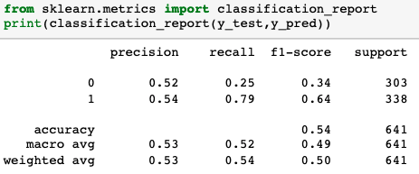 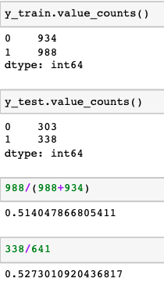

Logistic_raw_avg_std.ipynb | spy_aapl_amzn_goog_raw_avg_std.csv |  | Logistic Regression | 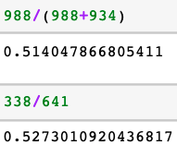

logisticR_randomF.ipynb | spy_aapl_amzn_goog.csv |  | Backward Elimination, logistic regression, random forest regressor | logistic regression

LR.ipynb | SPY/nscoreFeatures.csv, AAPL/nscoreFeatures.csv,AMZN/nscoreFeatures.csv,GOOG/nscoreFeatures.csv | SPY_AAPL_int.csv, spy_aapl_amzn_ints.csv, sig_goog_ints.csv | correlation matrix, pairwise interaction, linear regression,
LR_backward_avg_raw.ipynb | SPY/allFeatures.csv, AAPL/allFeatures.csv, AMZN/allFeatures.csv, GOOG/allFeatures.csv | spy_aapl_amzn_raw_avg.csv, spy_aapl_amzn_goog_raw_avg_allFeatures.csv | Backward Elimination, correlation calculation,
LR_backward_avg_std.ipynb | SPY/allFeatures_std.csv, SPY/allFeatures.csv,AAPL/allFeatures.csv,AAPL/allFeatures_std.csv,AMZN/allFeatures.csv,AMZN/allFeatures_std.csv, GOOG/allFeatures.csv, GOOG/allFeatures_std.csv | spy_aapl_amzn_goog_raw_avg_std.csv | Backward Elimination, correlation calculation,
LR_features_selection.ipynb | spy_aapl_amzn_goog_raw_avg.csv,spy_aapl_amzn_goog_raw_avg_allFeatures.csv | data_RF.csv | linear regression, Backward Elimination
Market_regime.ipynb | SPY.csv |  | Clustering by DTW, random forest
Market_regime_scaling.ipynb | SPY.csv,RF_final_data_scaled_dropped.csv, regime_labels_dtw_scaled.csv | logReturns_for_DTW_cluster_scaled.csv,regime_labels_dtw_scaled.csv | random forest
NeuralNetwork.ipynb | spy_aapl_amzn_goog_allFeatures_no_interaction.csv, data_RF.csv, |  | neural networks | cannot beat random guessing
nscoreFeatures.ipynb | SPY/allFeatures.csv | SPY/nscoreFeatures.csv
Random_Forest_CV_grid.ipynb | DATA/spy_aapl_amzn_goog_allFeatures_no_interaction.csv, DATA/data_RF.csv | RF_features_selection.csv, allFeatures_RF.csv,DATA/RF_final_data.csv | Random forest regressor, parameter tuning
RandomForest_Feature_Selection.ipynb | DATA/spy_aapl_amzn_goog_allFeatures_no_interaction.csv, DATA/data_RF.csv,DATA/sigFeatures_LR_selection.csv | RF_features_selection.csv,DATA/allFeatures_RF.csv
RandomForest_scale.ipynb | spy_aapl_amzn_goog_allFeatures_no_interaction.csv | DATA/RF_features_scaled_dropped.csv,DATA/data_RF.csv,allFeatures_RF_scaled_dropped.csv,RF_final_data_scaled_dropped.csv
RandomForest_Smote.ipynb | DATA/RF_final_data_scaled_dropped.csv | SPY/Performance_SMOTE/row_normalization_smote.csv | random forest, smote
RealizedVolatility.ipynb | SPY.csv,SPY/Features_LH0_ROD_returns_std.csv | SPY/allFeatures_std.csv
Returns.ipynb | spy.csv,Returns_LH_LH0_FH_ROD.csv,
RF_raw_smote.ipynb | DATA/RF_final_data_scaled_dropped.csv |  | random forest, smote
RF_smote_colN.ipynb | DATA/RF_final_data_scaled_dropped.csv |  | random forest, smote
RF_smote_return10.ipynb | SPY.csv,RF_final_data_scaled_dropped.csv | DATA/SPY_LH10.csv, | random forest, smote
uscoreFeatures.R | allFeatures.csv | uscoreFeatures.csv

